Sheet1
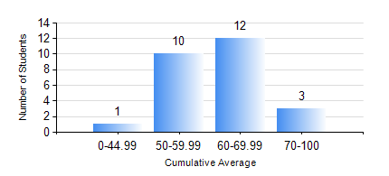
 |  |  | KWAME NKRUMAH UNIVERSITY OF SCIENCE AND TECHNOLOGY, KUMASI Department of Materials Engineering

 |  |  | BSC. METALLURGICAL ENG.

 |  |  | COMPREHENSIVE RECORD OF EXAMINATION RESULTS

 |  |  | RESULTS OF YEAR 4 SECOND SEMESTER, 2018/2019 ACADEMIC YEAR

 | Sn | Course Code |  | Course Name | Credit Hours | Min. Mark | Max. Mark | Avg. Mark | Std. Dev. | No. Passed | No. Trailed | No. (Df) | No. (I) | No. (I*) | No. Tagged(I,I*,Df) | Total
 | 1. | CHE 452 |  | PROCESS CONTROL/SIMULATION | 4 | 27 | 79 | 61 | 10.29 | 25 | 1 | 0 | 0 | 0 | 0 | 26
 | 2. | ME 492 |  | MANAGEMENT AND ENTREPRENEURSHIP DEVELOPMENT | 2 | 25 | 65 | 58 | 8.01 | 25 | 1 | 0 | 0 | 0 | 0 | 26
 | 3. | METE 452 |  | ELECTROMETALLURGY | 3 | 37 | 74 | 58 | 9.32 | 24 | 1 | 0 | 1 | 0 | 1 | 26
 | 4. | METE 498 |  | PROJECT II | 3 | 50 | 87 | 74 | 7.71 | 26 | 0 | 0 | 0 | 0 | 0 | 26
 | 5. | MSE 452 |  | WASTE MANAGEMENT | 3 | 41 | 77 | 66 | 9.06 | 25 | 0 | 0 | 1 | 0 | 1 | 26
 | 6. | MSE 456 |  | MATERIALS QUALITY CONTROL, ASSURRANCE AND SELECTION | 3 | 54 | 75 | 66 | 5.31 | 26 | 0 | 0 | 0 | 0 | 0 | 26

